Sheet1
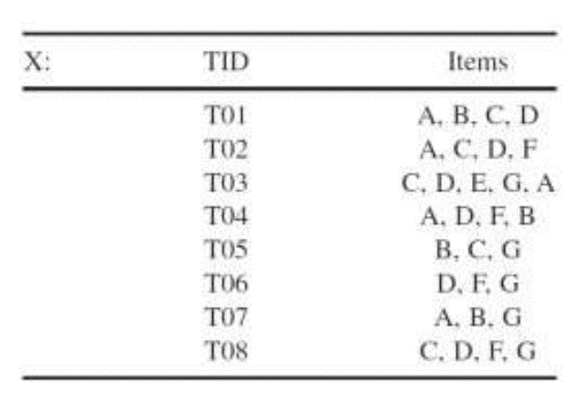
 | Level 1 |  | Level 2 |  | Candidate 3 |  | Level3
 | ITEM | SUPPORT | itemset | support | itemset | support | ITEMSET | SUPPORT
 | A | 5 | A,B | 3 | A,B,C | 1 | A,B,D | 2
 | B | 4 | A,C | 3 | A,B,D | 2 | A,C,D | 3
 | C | 5 | A,D | 4 | A,B,G | 1 | A,D,F | 2
 | D | 6 | A,F | 2 | A,C,D | 3 | C,D,F | 2
 | E | 1 | A,G | 2 | A,C,F | 1 | C,D,G | 2
 | F | 4 | B,C | 2 | A,C,G | 1 | D,F,G | 2
 | G | 5 | B,D | 2 | A,D,F | 2
 |  |  | B,F | 1 | A,D,G | 1
 |  |  | B,G | 2 | A,F,G | 0
 |  |  | C,D | 4 | B,C,D | 1
 |  |  | C,F | 2 | B,C,G | 1
 |  |  | C,G | 3 | C,D,F | 2
 |  |  | D,F | 4 | C,D,G | 2
 |  |  | D,G | 3 | D,F,G | 2
 |  |  | F,G | 2 | G,B,D | 0

ITEMSET | SUPPORT |  | CONFIDENCE
A,B,D | 2 |  | A,B,D | Confidence | A,C,D | Confidence | A,D,F | Confidence | C,D,F | Confidence |  | C,D,G | Confidence | D,F,G | Confidence
A,C,D | 3 |  | (A,B)--> D = | 0.67 | (A,C)-->D = | 1.00 | (A,D)-->F = | 0.50 | (C,D)-->F = | 0.50 |  | (C,D)-->G= | 0.50 | (D,F)-->G = | 0.50
A,D,F | 2 |  | (A,D)--> B = | 0.50 | (A,D)-->C = | 0.75 | (A,F)-->D = | 1.00 | (C,F)-->D = | 1.00 |  | (C,G)-->D = | 0.67 | (D,G)-->F= | 0.67
C,D,F | 2 |  | (B,D)--> A = | 1.00 | (C,D)-->A = | 0.75 | (D,F)-->A = | 0.50 | (D,F)-->C = | 0.50 |  | (D,G)-->C= | 0.67 | (F,G)-->D= | 1.00
C,D,G | 2 |  | A-->(B,D) = | 0.40 | A-->(C,D) = | 0.60 | A-->(D,F) = | 0.40 | C-->(D,F)= | 0.40 |  | C-->(D,G)= | 0.40 | D-->(F,G)= | 0.33
D,F,G | 2 |  | B-->(A,D) = | 0.50 | C-->(A,D) = | 0.60 | D-->(A,F) = | 0.33 | D-->(C,F)= | 0.33 |  | D-->(C,G)= | 0.33 | F-->(D,G)= | 0.50
 |  |  | D--(A,B) = | 0.33 | D-->(A,C) = | 0.50 | F-->(A,D) = | 0.50 | F-->(C,D)= | 0.50 |  | G-->(C,D)= | 0.40 | G-->(D,F)= | 0.40

 |  |  |  |  |  |  | Rules | Lift
 |  |  |  |  |  |  | (A,B)--> D | 0.89
 |  |  |  |  |  |  | (B,D)--> A | 1.00 |  |  | (A,B)--> D | A-->(C,D)
 |  |  |  |  |  |  | (A,C)-->D | 1.33 |  |  | (B,D)--> A | (A,F)-->D
 |  |  |  |  |  |  | (A,D)-->C | 1.20 |  |  | (A,C)-->D | (C,F)-->D
 |  |  |  |  |  |  | (C,D)-->A | 1.20 |  |  | (A,D)-->C | (C,G)-->D
 |  |  |  |  |  |  | C-->(A,D) | 1.20 |  |  | (C,D)-->A | (D,G)-->C
 |  |  |  |  |  |  | A-->(C,D) | 1.20 |  |  | C-->(A,D) | (D,G)-->F
 |  |  |  |  |  |  | (A,F)-->D | 1.30 |  |  | (F,G)-->D
 |  |  |  |  |  |  | (C,F)-->D | 1.30
 |  |  |  |  |  |  | (C,G)-->D | 0.89
 |  |  |  |  |  |  | (D,G)-->C | 1.06
 |  |  |  |  |  |  | (D,G)-->F | 1.00
 |  |  |  |  |  |  | (F,G)-->D | 1.30

